Assumptions
ASSUMPTIONS / INPUTS

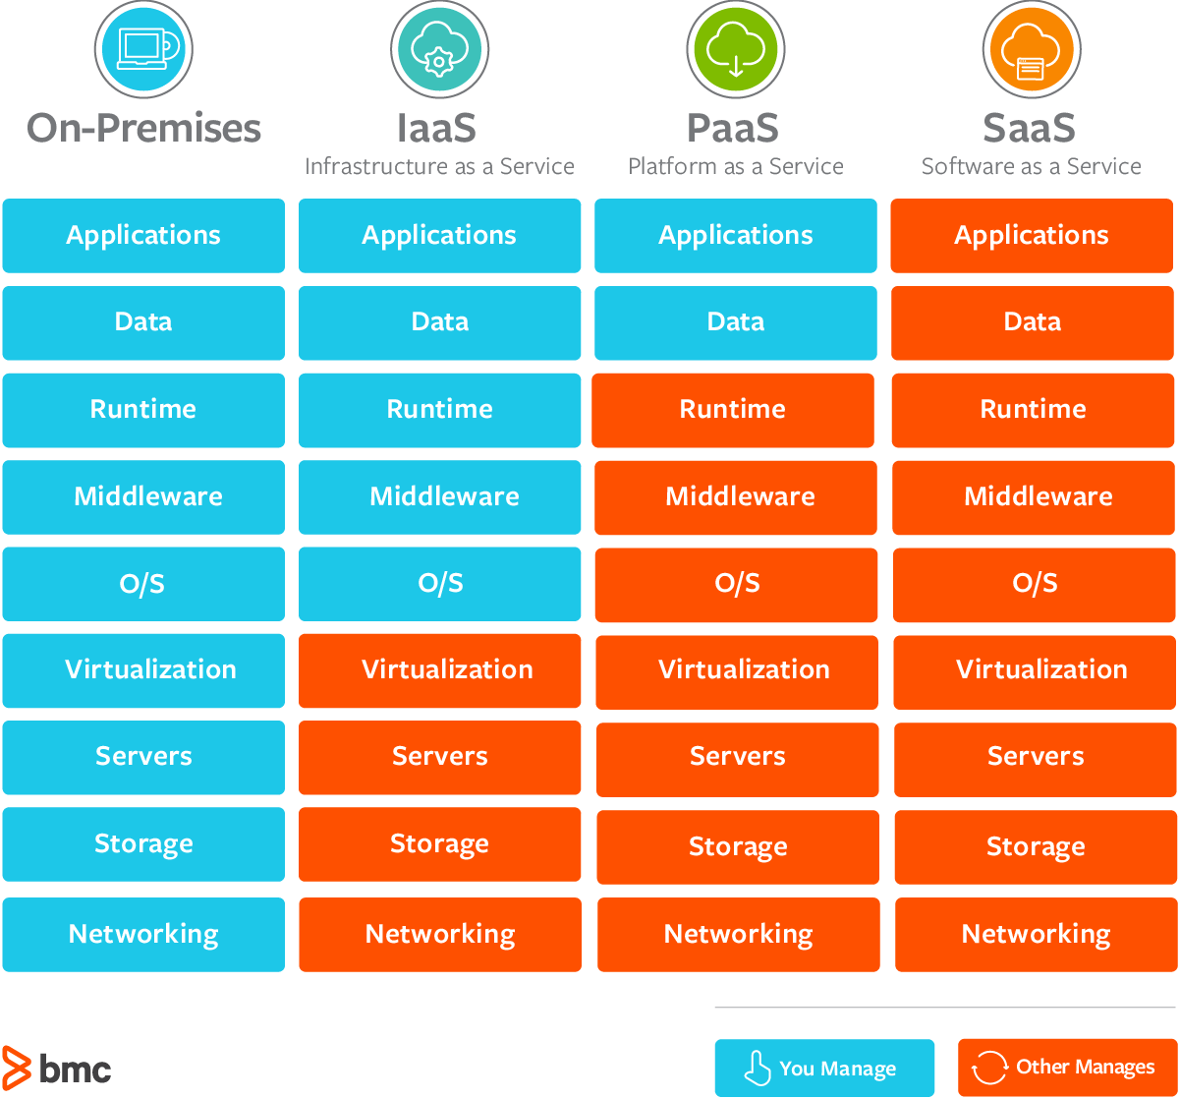
 | GENERAL |  |  | FINANCING
 |  | Servers per container unit | 300.00 |  | Mandatory equity capital contribution (% of CAPEX) | 10.00%
 |  | Number of containers | 125.00 |  | Loan interest p.a. | 5.00%
 |  | Server purchase price | 1,580.00 |  | Other costs (hedging fee) p.a. | 2.50%
 |  | Markup to imported price | 120% | Total Annual financing costs |  | 7.50%
 |  | Server consumption (Watts) | 1,200.00 |  | Imported price markup finance (VAT, other taxes) | 2.00%
 |  | Server annual uptime (%) | 65% |  | Imported price markup financing period (months) | 3.00
 |  | Server linear depreciation (years) | 4.20 |  | Restricted cash for loan | 3.00%
 |  | Portfolio Management fee | 5.0% |  | Loan duration years | 4.00
 |  | Maintenance (USD/server/month) | 5.00 |  | Annual loan admin expense | 6,000.00
 |  | Annual maintenance (% of first year CAPEX) | 2.0% | Total Loan requirement |  | 69,052,500.00
 |  | Installation fees per container (part of CAPEX, USD) | 45,000
 |  | Electricity price USD/kWh | 0.07 | INTERCO STRUCTURING
 |  | Incubation period (months) | 3 |  | Opex cost plus on SPV rental fee | 109.43%
 |  | Inflation p.a. | 2.0% | Annual rental charge |  | 43,759,876.36
 | Total number of servers |  | 37,500.00
 | Total Annual electricity consumption (kW) |  | 256,230,000.00 | TAX
 | Total Annual electricity consumption (USD) |  | 17,936,100.00 |  | Corporate tax rate | 20.00%
 | Total Capex |  | 76,725,000.00
 | Difference purchase-imported price |  | 11,850,000.00 | REVENUE
 | DAP price |  | 1,896.00 |  | Per server per month revenue USD | 155.00
 | Annual server park maintenance cost |  | 2,250,000.00 | Base annual revenue |  | 45,337,500.00
 | Annual server park repair cost |  | 1,534,500.00
 | Annual depreciation charge |  | 18,267,857.14
 | Annual Opex USD |  | 39,988,457.14
 | Annual portfolio management fee |  | 2,266,875.00

 | GENERAL - Portfolio Management Offshore Company

YEAR | BEAR | Annual service revenue | Change
1 | BEAR Y1 | 45,337,500.00
2 | BEAR Y2 | 44,430,750.00 | -2.0%
3 | BEAR Y3 | 43,319,981.25 | -2.5%
4 | BEAR Y4 | 42,020,381.81 | -3.0%

YEAR | BAL | Annual service revenue | Change
1 | BAL Y1 | 45,337,500.00 |  |  |  |  | Image source: https://www.bmc.com/blogs/saas-vs-paas-vs-iaas-whats-the-difference-and-how-to-choose/
2 | BAL Y2 | 46,244,250.00 | 2.0%
3 | BAL Y3 | 47,169,135.00 | 2.0%
4 | BAL Y4 | 48,112,517.70 | 2.0%

YEAR | BULL | Annual service revenue | Change
1 | BULL Y1 | 45,337,500.00
2 | BULL Y2 | 48,964,500.00 | 8.0%
3 | BULL Y3 | 53,860,950.00 | 10.0%
4 | BULL Y4 | 59,247,045.00 | 10.0%

